Info
Version | Date | Changes
1 | 2022-04-08 | Masterfile created.
1E | 2022-04-08 | Version to send to Eric. Removed some secondary readouts (Fibrosity IDM D8, OF).
2 | 2022-04-12 | Corrected data in Fibrosity IDM (Gel D0), due to some error in stacking of images of the plates. Also added visual scoring of fibrosity
2E | 2022-04-12 | Version to send to Eric.
3 | 2022-04-12 | Fibrosity IDM (Gel D0) values for plate 2 (283-001) should have been translated (e.g. D02 is B05 and F02 is B08, and so on). Corrected data entries.
3E | 2022-04-12 | Version to send to Eric.

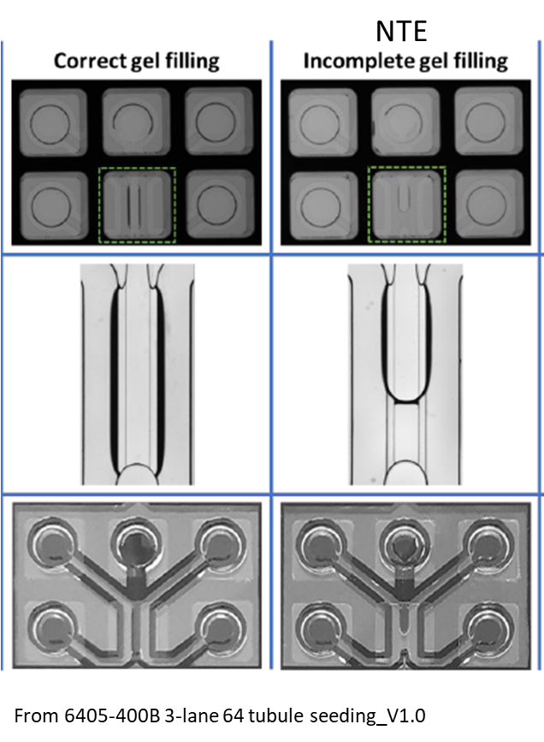
Incomplete filling |  |  | Dead Cells | Bubble | Invasion score
 |  |  |  |  | 0 | no invasion (before A)
 |  |  |  |  | 1 | tip within phaseguide (between A and B)
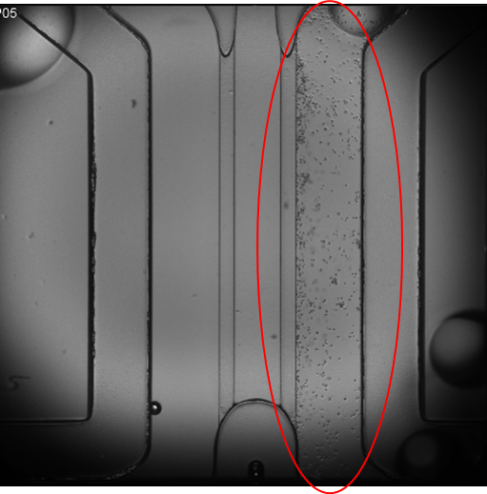
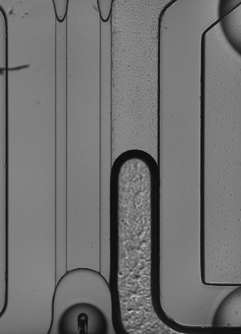
 |  |  |  |  | 2 | tip just pass phaseguide (after B)
 |  |  |  |  | 3 | highly invasive, significantly pass phaseguide

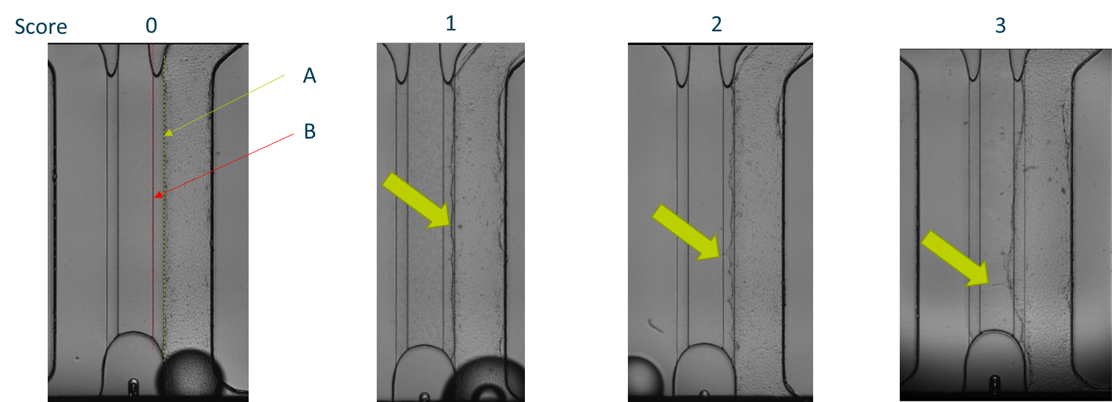

Factors in the SOP

Use after 1 min (immediate) or after 60min. Reduce to 30min?

Adjust the 10uL NaHCO3/100uL gel, 8-9 vs 11-12uL? To test first and measure with pH paper

20x vs 50x
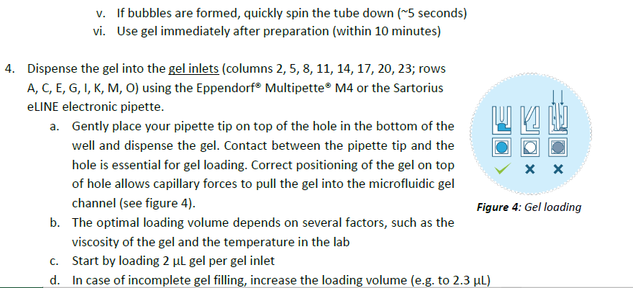

10min vs 60min

HBSS Ca/Mg +/+ or -/-

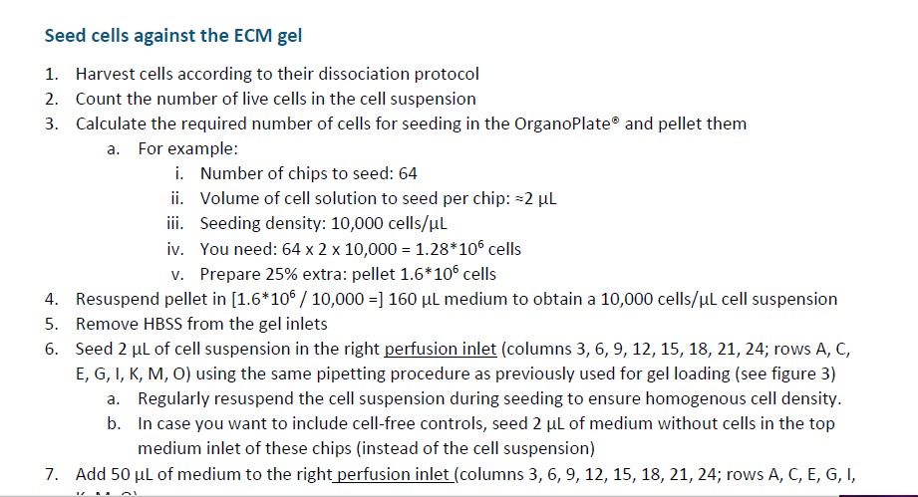

Remove/Not remove

